Intro
 | Excel Project Plan Template | Get our Premium Project Management Templates
 | Free Excel Template by analysistabs.com

Info 4 | Excel Project Plan Template for Managing Projects, Tasks and Timeline in Excel.

i
Usage 4 | Go to 'Task Management' sheet, enter the lis of Tasks and Timelines in the Required Columns of the Data Table. Project Summary & Gantt chart is updated automatically based on your data.

1
Share 4 | Excelx Powered By Analysistabs ™ is developing Free and Premium l Project Management Templates. Please do not share this downloaded file. Instead, you can share our free template page link with your colleagues and friends, it helps us to create better tools and more templates.

*
Email 4 | Please share your feedback or ask questions, Email: info@analysistabs.com

4 Download Now
Please Visit us | 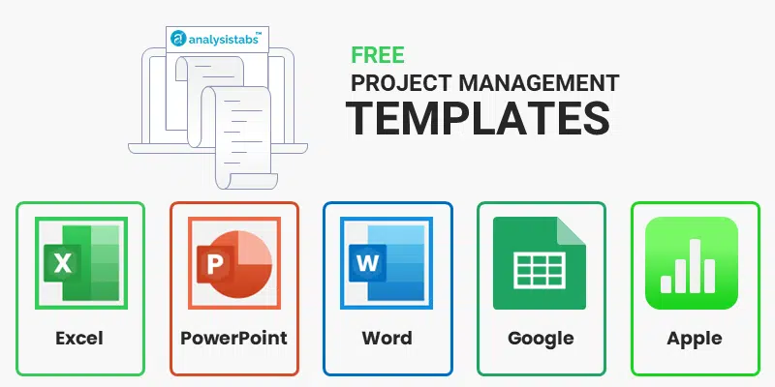
Visit us for more Free Templates and Premium Templates

 | i Please do not delete this worksheet. Instead, you can hide the sheet.

Project Plan
 | 0.44666666667
 | 0.55333333333
i
Help?
45%
Project Name 4 | Enter Name of the Project |  |  | Overall Progress 4 |  |  |  |  | Duration 4 | 99 days | TOTAL TASKS 4 | 15
Project Manager 4 | Enter Your Name |  |  |  |  |  |  |  | Project Start 4 | 19-Mar-22 | Completed | 3
Project Background 4 | Enter the Project Description Here! |  |  |  |  |  |  |  | Project End 4 | 25-Jun-22 | In progress | 7
 |  |  |  |  |  |  |  |  | Man-days 4 | 337 mandays | Not Started | 5

Task Manager |  |  |  |  |  |  |  |  | Gantt Chart

 | START | COMPLETED | PENDING
Task Title 1 | 19-Mar-22 | 32 | 0
Task Title 2 | 20-Mar-22 | 20.5 | 21
Task Title 3 | 23-Mar-22 | 4 | 0
Task Title 4 | 22-Mar-22 | 2.7 | 3
Task Title 5 | 2-Apr-22 | 7.8 | 5
Task Title 6 | 28-Mar-22 | 0 | 20
Task Title 7 | 7-Apr-22 | 3.6 | 5
Task Title 8 | 17-Apr-22 | 0 | 13
Task Title 9 | 3-May-22 | 0 | 41
Task Title 10 | 6-May-22 | 25 | 0
Task Title 11 | 5-May-22 | 6.75 | 2
Task Title 12 | 9-May-22 | 10.5 | 11
Task Title 13 | 5-May-22 | 21.5 | 22
Task Title 14 | 11-May-22 | 0 | 45
Task Title 15 | 5-May-22 | 0 | 15
 |  | #N/A | #N/A
 |  | #N/A | #N/A
 |  | #N/A | #N/A
 |  | #N/A | #N/A
 |  | #N/A | #N/A
 |  | #N/A | #N/A
 |  | #N/A | #N/A
 |  | #N/A | #N/A
 |  | #N/A | #N/A
 |  | #N/A | #N/A
Task Title | AssignedTo | Start | End | Progress | Status | Duration | Completed | Pending
Task Title 1 | Person 1 | 19-Mar-22 | 20-Apr-22 | 100% | Completed | 32 | 32 | 0
Task Title 2 | Person 2 | 20-Mar-22 | 30-Apr-22 | 50% | In progress | 41 | 20.5 | 21
Task Title 3 | Person 3 | 23-Mar-22 | 27-Mar-22 | 100% | Completed | 4 | 4 | 0
Task Title 4 | Person 4 | 22-Mar-22 | 28-Mar-22 | 45% | In progress | 6 | 2.7 | 3
Task Title 5 | Person 5 | 2-Apr-22 | 15-Apr-22 | 60% | In progress | 13 | 7.8 | 5
Task Title 6 | Person 6 | 28-Mar-22 | 17-Apr-22 | 0% | Not Started | 20 | 0 | 20
Task Title 7 | Person 7 | 7-Apr-22 | 16-Apr-22 | 40% | In progress | 9 | 3.6 | 5
Task Title 8 | Person 8 | 17-Apr-22 | 30-Apr-22 | 0% | Not Started | 13 | 0 | 13
Task Title 9 | Person 9 | 3-May-22 | 13-Jun-22 | 0% | Not Started | 41 | 0 | 41
Task Title 10 | Person 10 | 6-May-22 | 31-May-22 | 100% | Completed | 25 | 25 | 0
Task Title 11 | Person 1 | 5-May-22 | 14-May-22 | 75% | In progress | 9 | 6.75 | 2
Task Title 12 | Person 2 | 9-May-22 | 30-May-22 | 50% | In progress | 21 | 10.5 | 11
Task Title 13 | Person 3 | 5-May-22 | 17-Jun-22 | 50% | In progress | 43 | 21.5 | 22
Task Title 14 | Person 4 | 11-May-22 | 25-Jun-22 | 0% | Not Started | 45 | 0 | 45
Task Title 15 | Person 5 | 5-May-22 | 20-May-22 | 0% | Not Started | 15 | 0 | 15
 |  |  |  |  |  | #N/A | #N/A | #N/A
 |  |  |  |  |  | #N/A | #N/A | #N/A
 |  |  |  |  |  | #N/A | #N/A | #N/A
 |  |  |  |  |  | #N/A | #N/A | #N/A
 |  |  |  |  |  | #N/A | #N/A | #N/A
 |  |  |  |  |  | #N/A | #N/A | #N/A
 |  |  |  |  |  | #N/A | #N/A | #N/A
 |  |  |  |  |  | #N/A | #N/A | #N/A
 |  |  |  |  |  | #N/A | #N/A | #N/A
 |  |  |  |  |  | #N/A | #N/A | #N/A

 |  | i This is a free template, you can use this template to plan a small project with 25 tasks, check our premium templates for multiple projects and more features.
4 View Details

