Breakdown
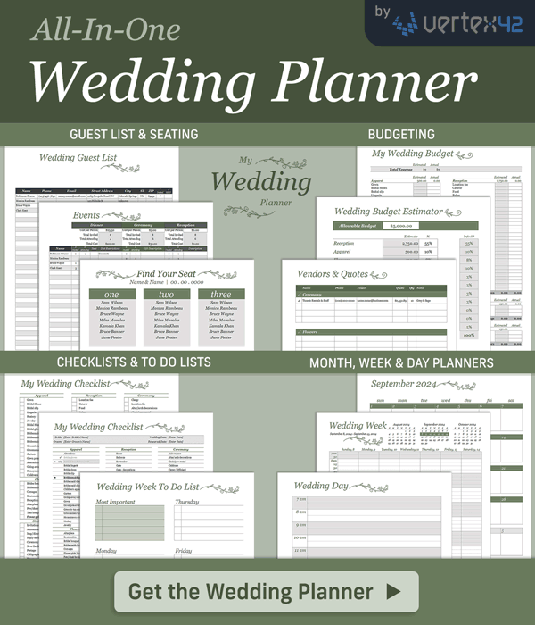
My Wedding Budget
https://www.vertex42.com/ExcelTemplates/wedding-budget.html |  |  |  |  |  | © 2007-2023 Vertex42.com

Instructions:
1. Use the Estimator worksheet to set the estimated budget for each category, listed below the word "Estimated"
2. Record estimated amounts for each item in each category, trying to stay below the Estimated budget
3. When you make a purchase, add the amount to the Actual column
4. Try to make the Total for each category be equal to or less than the Estimated (budgeted) amount

 |  |  |  | Estimated | Actual
Total |  |  |  | $- | $-

 | Estimated | Actual |  |  | Estimated | Actual
Apparel | 500.00 |  |  | Reception | 2,750.00
Gown |  |  |  | Location fee
Bridal Shoes |  |  |  | Caterer
Bridal slip |  |  |  | Food
Lingerie |  |  |  | Baker
Hosiery |  |  |  | Musician
Jewelry |  |  |  | Bar tender
Bridal Headpiece/veil |  |  |  | Liquor
Bridal gloves |  |  |  | Security
Bridesmaid dresses |  |  |  | Wedding cake
Bridesmaid accessories |  |  |  | Groom's cake
Bridesmaid shoes |  |  |  | Cake knife
Groom's tux |  |  |  | Cake decorations
Groomsmen tuxes |  |  |  | Servers
Garters |  |  |  | Table decorations
Gown preservation |  |  |  | Other decorations
Alterations |  |  |  | Dishes
Going-away outfit |  |  |  | Glassware
Honeymoon clothes |  |  |  | Napkins
Children's apparel |  |  |  | Linens
Total Apparel | - | - |  | Tables
 |  |  |  | Chairs
 |  |  |  | Guest book
 | Estimated | Actual |  | Entertainment
Flowers | 400.00 |  |  | Rice/Rose petals/bubbles
Brides bouquet |  |  |  | Parking
Bridesmaids bouquets |  |  |  | Gratuities
Corsages |  |  |  | Limousine/Carriage
Boutonnière |  |  |  | Transportation
Reception centerpieces |  |  |  | Childcare
Altarpiece |  |  |  | Balloons
Pew/chair bows |  |  |  | Total Reception | - | -
Toss bouquet
Flower girls' flowers |  |  |  |  | Estimated | Actual
Total Flowers | - | - |  | Rings | 150.00
 |  |  |  | Wedding bands
 |  |  |  | Engagement ring
[42] | Estimated | Actual |  | Engraving
Photography / Video | 500.00 |  |  | Total Rings | - | -
Bridal portraits
Reception |  |  |  |  | Estimated | Actual
Ceremony |  |  |  | Gifts & Favors | 150.00
Photo albums |  |  |  | Attendant gifts
Engagement portraits |  |  |  | Gift for fiancee
Videography |  |  |  | Favors
Total Photography / Video | - | - |  | Total Gifts & Favors | - | -

 | Estimated | Actual |  |  | Estimated | Actual
Ceremony | 150.00 |  |  | Stationery | 150.00
Clergy |  |  |  | Invitations
Location fee |  |  |  | Announcements
Altar decorations |  |  |  | Map/direction cards
Arch or canopy |  |  |  | Reply cards
Chair/pew rental |  |  |  | Ceremony cards
Pew/chair decorations |  |  |  | Save the date cards
Guest book/pen |  |  |  | Postage
Ring bearer pillow |  |  |  | Calligrapher
Flower girl basket |  |  |  | Newspaper announcement
Unity candle |  |  |  | Thank you notes
Aisle runner |  |  |  | Rehearsal dinner invitations
Ushers |  |  |  | Bridesmaid luncheon invitations
Gratuity |  |  |  | Bachelor party invitations
Transportation |  |  |  | Wedding programs
Childcare |  |  |  | Address labels
Total Ceremony | - | - |  | Total Stationery | - | -

 | Estimated | Actual |  |  | Estimated | Actual
Honeymoon | - |  |  | Rehearsal dinner | -
Air fare |  |  |  | Caterer
Accommodations |  |  |  | Bartender
Rental Car |  |  |  | Liquor
Entertainment |  |  |  | Tables/chairs
Misc |  |  |  | Decorations
Total Honeymoon | - | - |  | Security
 |  |  |  | Music
 | Estimated | Actual |  | Sound system
Misc | 250.00 |  |  | Guest parking
Marriage license |  |  |  | Dishes
Bridesmaids' luncheon |  |  |  | Centerpieces
Hairdresser |  |  | [42] | Linens
Manicure/pedicure |  |  |  | Food
Manicure/pedicure for attendants |  |  |  | Servers
Make-up |  |  |  | Total Rehearsal dinner | - | -
Wedding planner/organizer
Consultant/coordinator
Hotel for guests
Other
Total Misc | - | -

